Sheet1
Issue Name | Details | Comment
Review | 1.settings ->upgrade to pro-> click (x) button -> no review.
Subscription
Status bar | 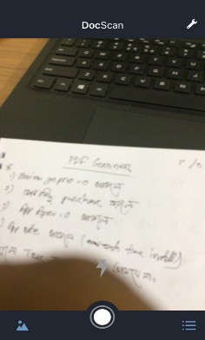 no status bar showing (it happens maximum time)

